Bug Report
SPRIG STORE APP
OS:Windows, Browser:Chrome |  |  |  | Date:30-08-2023
Verified By: |  |  |  | Tested By:Gibi Alex Mathew
Bug ID | Test ID | Expected Result | Bug Description | Steps to reproduce | Screenshot | Severity | Priority | Status
DEF_SSA_01 | SSA_SLP_03 | Field should not accept invalid inputs | Name fields are accepting invalid inputs and also no warning messages are showing to enter valid inputs | 1.Open the link in chrome browser 2.Navigate to the bottom of the page 3.Click on My account or Login 4.Click on 'Create an account' 5.Enter firstname, lastname, email, password | 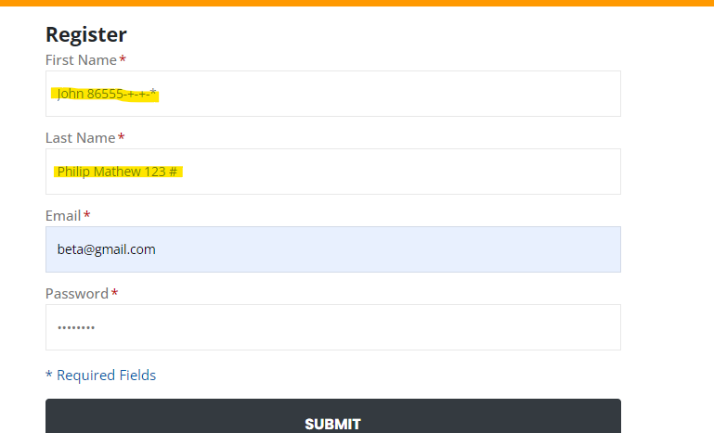 | Major | High | New
DEF_SSA_02 | SSA_SLP_04 | User should be able to create an account | User is able to create an account but no displaying 'Account Created' message | 1.Open the link in chrome browser 2.Navigate to the bottom of the page 3.Click on My account or Login 4.Click on 'Create an account' 5.Enter firstname, lastname, email, password 6.Click on SUBMIT button |  | Major | High | New
DEF_SSA_03 | SSA_SLP_05 | User should be able to login using the credentials and reach my account page | User is not able to reach the my account page after login | 1.Open the link in chrome browser 2.Navigate to the bottom of the page 3.Click on My account or Login 4.Enter email and password 5.Click on LOGIN Button | 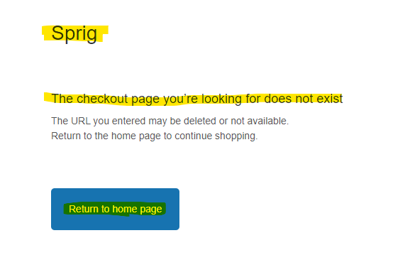 | Major | High | New
DEF_SSA_04 | SSA_SLP_11 | User should be able to easily find and navigate to the sign up/sign in page | User is not able easily find the sign in / sign up page as it is located at the bottom of the page | 1.Find the sign up/sign in page by clicking on links and menus. 2.Note any pages that are difficult to find or navigate to | 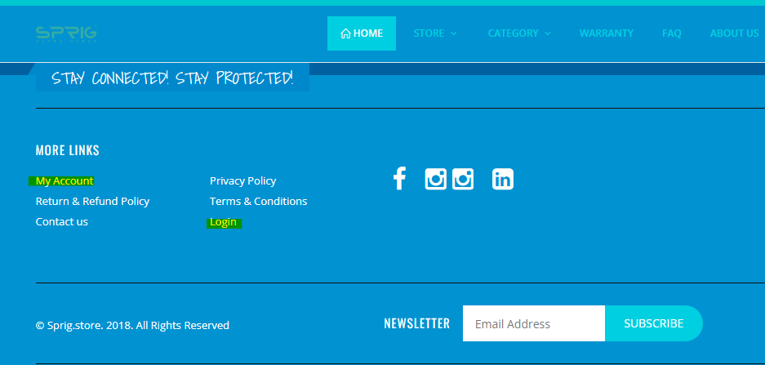 | Minor | Medium | New
DEF_SSA_05 | SSA_HP_02 | Icon should be dispalyed | No icon is visible | 1.Open the home page in chrome 2.Verify the favorite icon shown along with the tab in chrome |  | Minor | Low | New
DEF_SSA_06 | SSA_HP_07 | Search ouput shown should be same to input given | Not working as expected as when searched for case, search result is showing screen guard as well with more preference given to screen guard | 1.Open the home page chrome browser. 2.Enter a search term in the search bar. 3.Verify that the search results are displayed correctly. 4.Verify that the search results are relevant to the user's search term. | 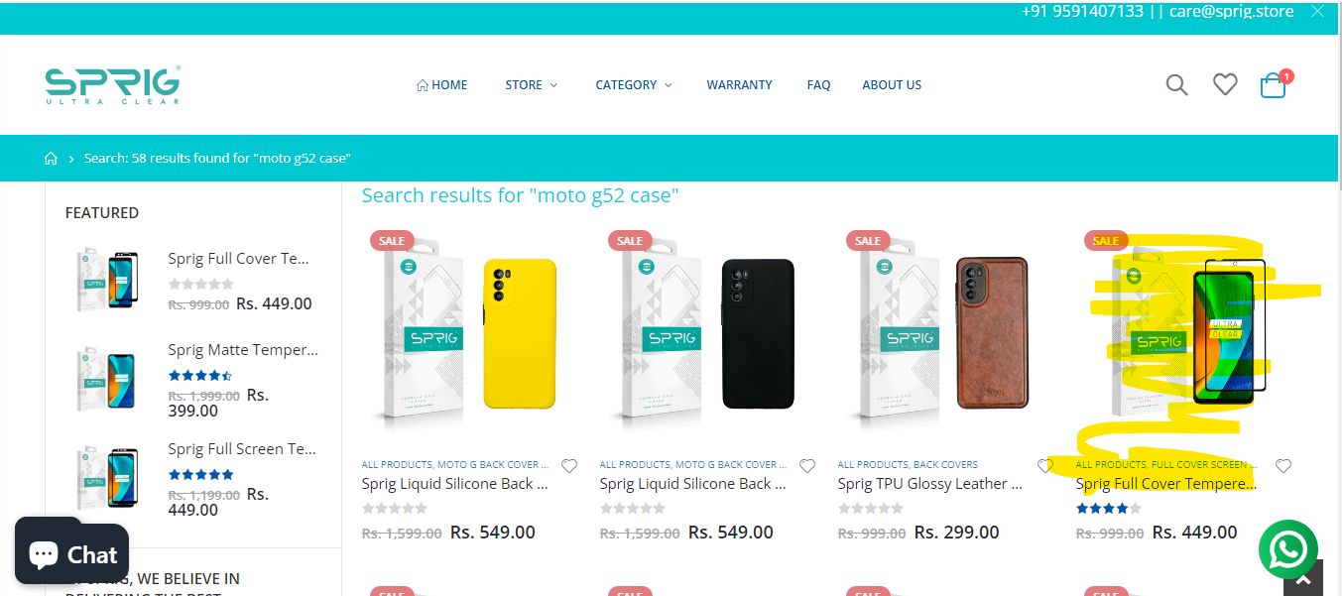 | Minor | Medium | New
DEF_SSA_07 | SSA_HP_11 | Clicking on a social media button should lead to the profile | Redirecting functionality is worked as expected but multiple icons are displayed for 'Instagram' | 1.Open the home page in the chrome browser. 2.Check all the social media icons displayed across the websites 3.Now check whether the icon are redircting to specific websites when clicked on it | 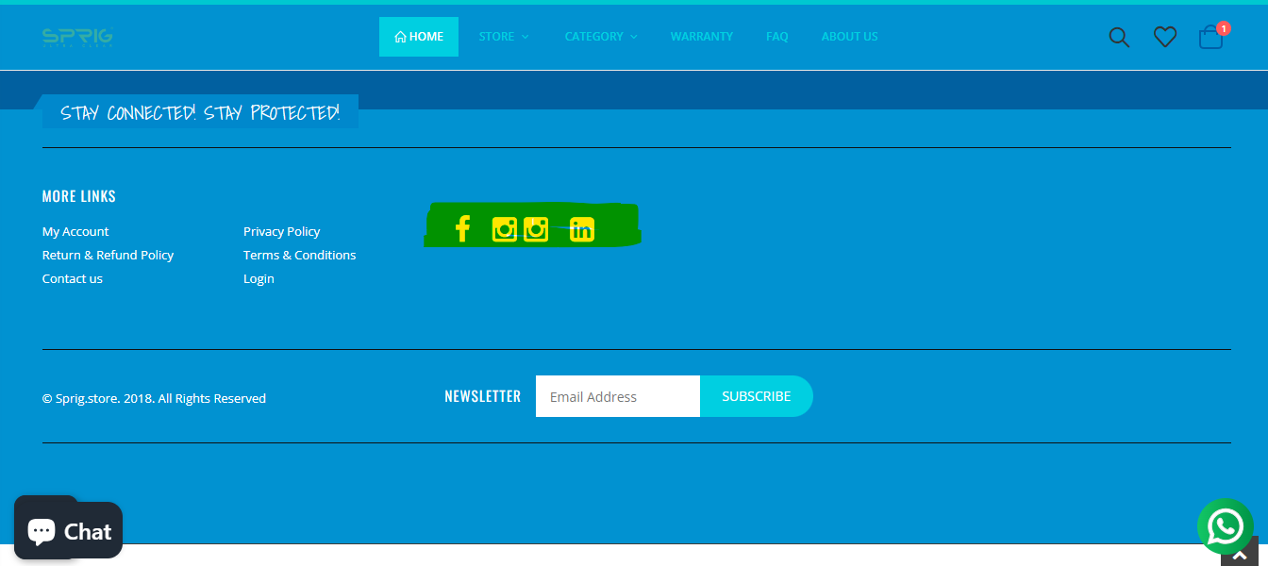 | Minor | Medium | New
DEF_SSA_08 | SSA_HP_13 | The user should receive a confirmation message indicating successful subscription to the newsletter. | This feature is not working as receiving a 404 error | 1.Open the website in the browser 2.Navigate to bottom of the page 3.Enter 'alpha@gmail.com' 4.Click on SUBSCRIBE button |  | Major | High | New
DEF_SSA_09 | SSA_ACC_06 | User should be able to navigate to checkout page | For the first click it's workig as expected but when user navigates back to the home and then click on the checkout, the site completely crashes | 1.Open the website 2.Navigate to cart icon 3.Click on checkout button | 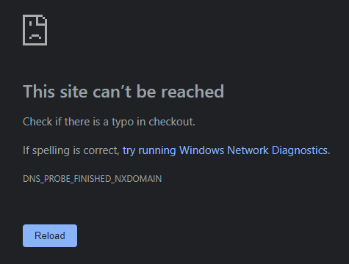 | Major | High | New
DEF_SSA_10 | SSA_ACC_13 | User should not be able to increase the quantity above 5 | User is able to increase the quantity above 5 | 1.Open the website 2.Click on the cart icon 3.Click on '+' to increase the quantity above 5 4.Now click on the 'UPDATE SHOPPING CART' button | 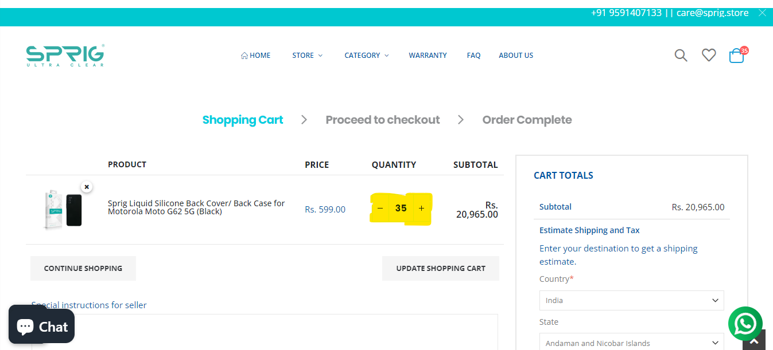 | Major | High | New
DEF_SSA_11 | SSA_ACC_16 | User should be able to select from saved addresses and also be able to select 'use a new address' | User is able to select a new address but when selecting an already saved address it's not working as expected as the address details fields are not auto populating | 1.Open the website 2.Click on the cart icon 3.Update all details like country,state and zip code 4.Click on 'GET A QUOTE' 5.Click on 'PROCEED TO CHECKOUT' Button 6.Now you will be in shipping details page 7.Click on the 'Saved addresses' dropdown option | 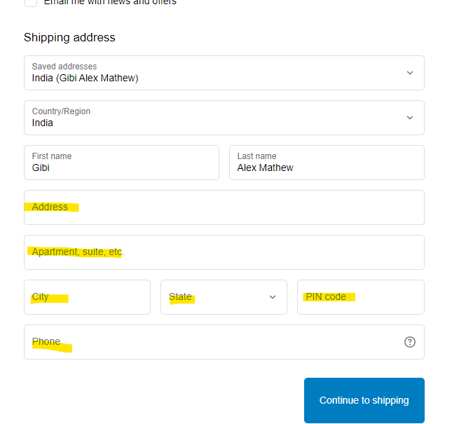 | Minor | Medium | New
DEF_SSA_12 | SSA_ACC_27 | User should be able to edit the placed order | User is not able to edit the order | 1.Open the website 2.Navigate to bottom of page 3.Sign-in using Username and Password |  | Major | High | New
DEF_SSA_13 | SSA_ACC_28 | User should be able to cancel the placed order | User is not able to cancel the placed order | 1.Open the website 2.Navigate to bottom of page 3.Sign-in using Username and Password |  | Major | High | New
DEF_SSA_14
DEF_SSA_15

Defect Distribution
Defect Distrubution
Module Name | Defect Distribution
Login Page | 4
Home Page | 4
Add to Cart & Checkout | 5

